Sheet1
SRS document
Project name | Digital Air Conditioner Screen
Project manager | Hadier Rashed

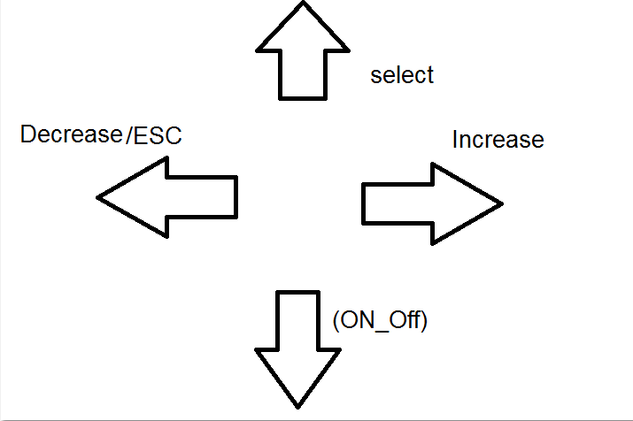
Column1 | Column2
SR1_H01 | this button in the system,it will turn (on /off ) the system.
SR2_E01 | this function inside eeprom module EEPROM_voidWriteByte(u8 Copy_u8Data,u16 Copy_u16Address),save reading of temperature and fan speed in eeprom when turn off the system ,This function take two input argumen(Data,Address) and return Error/Ok dependant on function write data in the the same address or not .
SR2_E02 | this function inside eeprom moduleEEPROM_voidInit() willnot take any argument or return iit will intialize EEprom then EEPROM_u8ReadByte(u16 *Copy_u16Address),Will read from eeprom when turn on the system, This function take one argument pointer to int (u16 *Copy_u16Address) to put the reading value on the address of the poniter and return Error/ok dependant on function Read data from same address or not .
SR3_S01 | this function inside the Switch module u8 TSW_u8GetState(u8 Copy_u8SwitchIdx,*u8 Copy_u8PtrToVal) ,it will handle debouncy problem and it will take switch index and pointer to value that will return the state of the switch and return Error if the input value is out of the rangedefine Ok if the Input Value is in the range .
SR3_L01 | this function inside the LCD module LCD_VoidString(U8* LCD_u8Ptr) ,it will take address of first place of string and dont return argument then displayes first "Temperature= " "Speed Fan = " on the screen then it receives the value of Temperature and Speed fan in the string form (character array) but its input argument is the pointer to this string and to display this string on the screen, This function calls another function that displays character by characterLCD_WriteData(Copy_u8Data) it take one argumet in single cought and don't return any argumet ,by incrementing the pointer thats points to the character array character by character ,it uses the Data pins of the lcd (8 pins) to output the ASCII code of each character on them. so its basic function here to display the Temperture.this function returns none
SR3_A02 | this function inside the application will call fucntion DIO_voidInit(); it doesn't take any argumetn or return ,it will configure all pins as output or input then when user pressed selector button,this function will be call Selector_Button(); Doesn't take any argument and don’t return First line "->1- fan speed " Second line "2-Temperature"
SR3_A03 | this function inside the application When pressed Increase Button arrow down on temperature and will call Function called Increase_Button(); function doesn’t take any argument and don’t return
SR3_A04 | this function inside the application When pressed decrease Button decrease_Button(); function doesn’t take any argument and don’t return ,arrow will be on fan speed and so on.
SR3_A05 | this function inside the application,when user want to enter modes, pressed on selector button again will call Function called Select_Modes(); function doesn’t take any argument and don’t return then will enter the mode that arrow stop on. And display the mode that arrow stopped. Example: First line "Temperature=23 " Second line " "
SR3_A06 | this function inside the application,When Pressed Increase button Function Increase_Mode(); will called This function doesn’t take any argument and don’t return then increase temperature, When Pressed Decrease button Function Decrease_Mode(); will called This function doesn’t take any argument and don’t return then Decrease temperature and the same for fan speed mode .
SR3_A07 | this function inside the application,When user want to out from mode ,pressed Selector Button then Decrease button and called Function Out_Mode(); This function doesn’t take any argument or return.
SR4_L01 | this function inside the LCD module,LCD_voidInit() dont take any argument or return, this Function will define to system that we use LCD 16*2 and must call first when turn on the system .
SR5_A01 | this function inside the application,user will choose between Speed Range ,it's configurable as user want by calling u8 ChangeSpeed(u8 Speed) this function take one argument and return Error/ok dependant on the speed that user choose .
SR6_A01 | this function inside application, there is four switches in the system 1- Selection Button 2-Increase Button 3-Decrease Button 4-On/Off Button
SR7_H01 | system must be protable ,system has external battery that when system turnned off battery will supply the system for certain time .
SR8_H01 | switches of system will be Tactile (optional)

A | Application
L | LCD Module
S | Switch Module
E | EEprom Module
H | Hardware Requirment

